Sheet1
SKU | Description | Price | MSRP | Pallet Qty | Pallet Size | Pallet Weight | Available | UPC
AI-100BK | 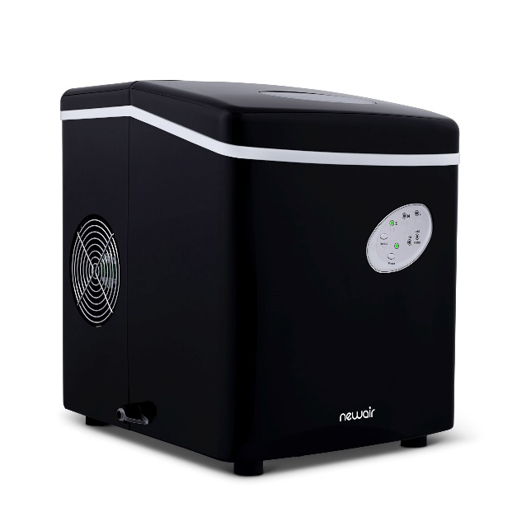 Newair® Black 28 lbs/day Countertop Bullet Ice Maker | $56.95 | $199.99 | 36 | 48x40x78 | 1017 lbs | 204 | 854001004013
AI-100R | 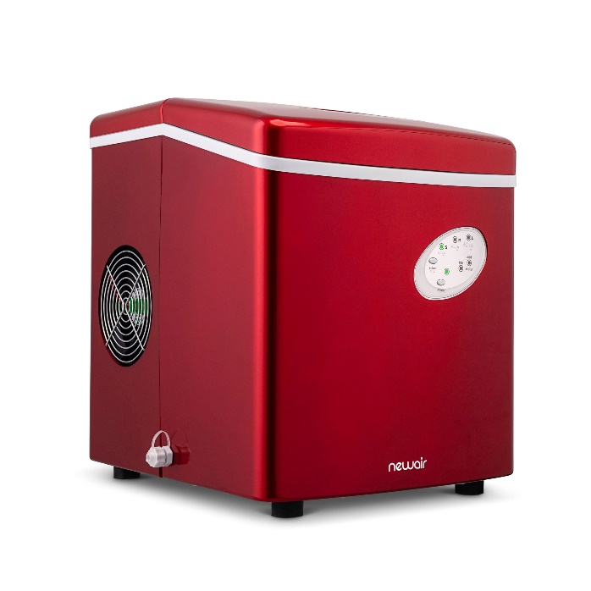 Newair® Red 28 lbs/day Countertop Bullet Ice Maker | $56.95 | $199.99 | 36 | 48x40x78 | 1017 lbs | 467 | 854001004020
AI-420SS | 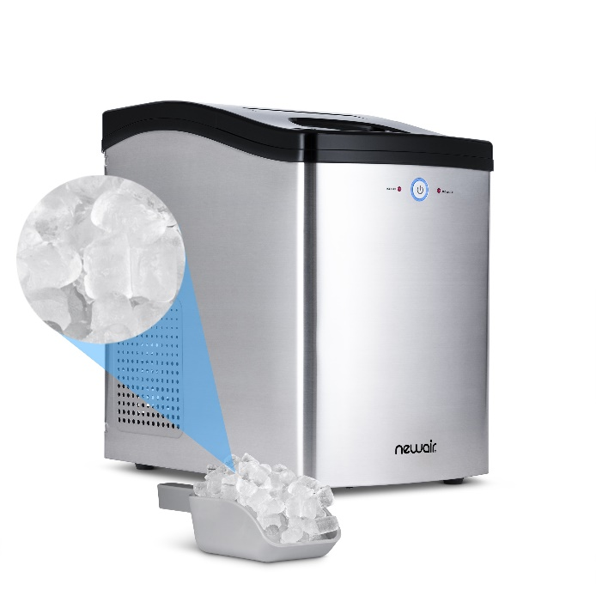 Newair® Stainless Steel 42 lbs/day Countertop Nugget Ice Maker | $132.95 | $399.99 | 32 | 48x40x78 | 1357 lbs | 1603 | 810028285293

